ANC.DT.27–30 Risk counselling
Note: This tab has 4 decision support tables: 1) ANC.DT.27 Pre-eclampsia risk counselling 2) ANC.DT.28 Gestational diabetes mellitus (GDM) risk counselling 3)ANC.DT.29 HIV risk counselling 4) ANC.DT.30 General risk reduction counselling

Decision ID | ANC.DT.27 Pre-eclampsia risk counselling
Business Rule | If the woman has risk factors for developing pre-eclampsia, provide counselling to reduce risk of developing pre-eclampsia
Trigger | ANC.B6. Collect woman's profile & history
Input(s) |  |  | Output | Action |  |  | Annotations | Reference(s)
"Number of fetuses" ≥ 2 |  |  | "Risk of pre-eclampsia" = TRUE | Provide counselling on pre-eclampsia risk |  |  | The woman is at risk of developing pre-eclampsia – provide counselling | Pregnancy, childbirth, postpartum and newborn care guide (2015): C3 (1) WHO pre-eclampsia and eclampsia recommendations (2011): 1, 2 (5)
"Past pregnancy complications" = "Pre-eclampsia" |  |  | "Risk of pre-eclampsia" = TRUE | Provide counselling on pre-eclampsia risk |  |  |  | Pregnancy, childbirth, postpartum and newborn care guide (2015): C3 (1) WHO pre-eclampsia and eclampsia recommendations (2011): 1, 3 (5)
"Past pregnancy complications" = "Eclampsia" |  |  | "Risk of pre-eclampsia" = TRUE | Provide counselling on pre-eclampsia risk |  |  |  | Pregnancy, childbirth, postpartum and newborn care guide (2015): C3 (1) WHO pre-eclampsia and eclampsia recommendations (2011): 1, 4 (5)
"Past pregnancy complications" = "Convulsions" |  |  | "Risk of pre-eclampsia" = TRUE | Provide counselling on pre-eclampsia risk |  |  |  | Pregnancy, childbirth, postpartum and newborn care guide (2015): C3 (1) WHO pre-eclampsia and eclampsia recommendations (2011): 1, 5 (5)
"Existing chronic health conditions" = "Autoimmune disease" |  |  | "Risk of pre-eclampsia" = TRUE | Provide counselling on pre-eclampsia risk |  |  |  | Pregnancy, childbirth, postpartum and newborn care guide (2015): C3 (1) WHO pre-eclampsia and eclampsia recommendations (2011): 1, 6 (5)
"Existing chronic health conditions" = "Diabetes" |  |  | "Risk of pre-eclampsia" = TRUE | Provide counselling on pre-eclampsia risk |  |  |  | Pregnancy, childbirth, postpartum and newborn care guide (2015): C3 (1) WHO pre-eclampsia and eclampsia recommendations (2011): 1, 7 (5)
"Existing chronic health conditions" = "Hypertension" |  |  | "Risk of pre-eclampsia" = TRUE | Provide counselling on pre-eclampsia risk |  |  |  | Pregnancy, childbirth, postpartum and newborn care guide (2015): C3 (1) WHO pre-eclampsia and eclampsia recommendations (2011): 1, 8 (5)
"Existing chronic health conditions" = "Kidney disease" |  |  | "Risk of pre-eclampsia" = TRUE | Provide counselling on pre-eclampsia risk |  |  |  | Pregnancy, childbirth, postpartum and newborn care guide (2015): C3 (1) WHO pre-eclampsia and eclampsia recommendations (2011): 1, 9 (5)
"Number of fetuses" ≥ 2 | "Gestational age" ≥ 12 weeks |  | "Risk of pre-eclampsia" = TRUE Gestational age >= 12 weeks | Provide counselling on pre-eclampsia risk | "Amount of daily aspirin prescribed until delivery" = 75 mg |  | The woman is at risk of developing pre-eclampsia: provide counselling; prescribe aspirin 75 mg daily until delivery (starting at 12 weeks gestation) for pre-eclampsia risk | Pregnancy, childbirth, postpartum and newborn care guide (2015): C3 (1) WHO pre-eclampsia and eclampsia recommendations (2011): 1, 10 (5)
"Past pregnancy complications" = "Pre-eclampsia" | "Gestational age" ≥ 12 weeks |  | "Risk of pre-eclampsia" = TRUE Gestational age >= 12 weeks | Provide counselling on pre-eclampsia risk | "Amount of daily aspirin prescribed until delivery" = 75 mg |  |  | Pregnancy, childbirth, postpartum and newborn care guide (2015): C3 (1) WHO pre-eclampsia and eclampsia recommendations (2011): 1, 11 (5)
"Past pregnancy complications" = "Eclampsia" | "Gestational age" ≥ 12 weeks |  | "Risk of pre-eclampsia" = TRUE Gestational age >= 12 weeks | Provide counselling on pre-eclampsia risk | "Amount of daily aspirin prescribed until delivery" = 75 mg |  |  | Pregnancy, childbirth, postpartum and newborn care guide (2015): C3 (1) WHO pre-eclampsia and eclampsia recommendations (2011): 1, 12 (5)
"Past pregnancy complications" = "Convulsions" | "Gestational age" ≥ 12 weeks |  | "Risk of pre-eclampsia" = TRUE Gestational age >= 12 weeks | Provide counselling on pre-eclampsia risk | "Amount of daily aspirin prescribed until delivery" = 75 mg |  |  | Pregnancy, childbirth, postpartum and newborn care guide (2015): C3 (1) WHO pre-eclampsia and eclampsia recommendations (2011): 1, 13 (5)
"Existing chronic health conditions" = "Autoimmune disease" | "Gestational age" ≥ 12 weeks |  | "Risk of pre-eclampsia" = TRUE Gestational age >= 12 weeks | Provide counselling on pre-eclampsia risk | "Amount of daily aspirin prescribed until delivery" = 75 mg |  |  | Pregnancy, childbirth, postpartum and newborn care guide (2015): C3 (1) WHO pre-eclampsia and eclampsia recommendations (2011): 1, 14 (5)
"Existing chronic health conditions" = "Diabetes" | "Gestational age" ≥ 12 weeks |  | "Risk of pre-eclampsia" = TRUE Gestational age >= 12 weeks | Provide counselling on pre-eclampsia risk | "Amount of daily aspirin prescribed until delivery" = 75 mg |  |  | Pregnancy, childbirth, postpartum and newborn care guide (2015): C3 (1) WHO pre-eclampsia and eclampsia recommendations (2011): 1, 15 (5)
"Existing chronic health conditions" = "Hypertension" | "Gestational age" ≥ 12 weeks |  | "Risk of pre-eclampsia" = TRUE Gestational age >= 12 weeks | Provide counselling on pre-eclampsia risk | "Amount of daily aspirin prescribed until delivery" = 75 mg |  |  | Pregnancy, childbirth, postpartum and newborn care guide (2015): C3 (1) WHO pre-eclampsia and eclampsia recommendations (2011): 1, 16 (5)
"Existing chronic health conditions" = "Kidney disease" | "Gestational age" ≥ 12 weeks |  | "Risk of pre-eclampsia" = TRUE Gestational age >= 12 weeks | Provide counselling on pre-eclampsia risk | "Amount of daily aspirin prescribed until delivery" = 75 mg |  |  | Pregnancy, childbirth, postpartum and newborn care guide (2015): C3 (1) WHO pre-eclampsia and eclampsia recommendations (2011): 1, 17 (5)
...
Decision ID | ANC.DT.29 HIV risk counselling
"HIV status" = "HIV negative" | "Partner HIV test result" = HIV positive" | "High risk for HIV" = TRUE | Conduct counselling on HIV risk |  |  |  |  | WHO ANC recommendations (2016): B.1.7, C.7 (2) Pregnancy, childbirth, postpartum and newborn care guide (IMPAC) (2015): C8 (1)
"HIV status" = "HIV negative" | Partner HIV status (confirmed)" = "HIV positive" | "High risk for HIV" = TRUE | Conduct counselling on HIV risk |  |  |  |  | WHO ANC recommendations (2016): B.1.7, C.7 (2) Pregnancy, childbirth, postpartum and newborn care guide (IMPAC) (2015): C9 (1)
"HIV status" = "HIV negative" | Current alcohol and/or other substance use" = "Injectable drugs" | "High risk for HIV" = TRUE | Conduct counselling on HIV risk |  |  |  |  | WHO ANC recommendations (2016): B.1.7, C.7 (2) Pregnancy, childbirth, postpartum and newborn care guide (IMPAC) (2015): C10 (1)
"HIV status" = "HIV negative" | "Occupation" = "Employment that puts woman at increased risk for HIV (e.g. sex worker)" | "High risk for HIV" = TRUE | Conduct counselling on HIV risk |  |  |  |  | WHO ANC recommendations (2016): B.1.7, C.7 (2) Pregnancy, childbirth, postpartum and newborn care guide (IMPAC) (2015): C11 (1)
"Population incidence of HIV in the absence of PrEP" > 3 per 100 person-years |  | "High risk for HIV" = TRUE Population incidence of HIV 3 per 100 | Conduct counselling on pre-exposure prophylaxis (PrEP) for HIV prevention |  |  | Oral pre-exposure prophylaxis (PrEP) containing tenofovir disoproxil fumarate (TDF) should be offered as an additional prevention choice for pregnant women at substantial risk of HIV infection as part of combination prevention approaches. See "PrEP offering framework" – a suggested prioritization framework for offering PrEP to pregnant and breastfeeding women (below). |  | WHO ANC recommendations (2016): C.7 (2) Pre-exposure prophylaxis (PrEP) for HIV prevention (2017) (20)
"Partner HIV status (reported)" = "Inconclusive" |  | "Partner HIV status (reported)" = "Inconclusive" | Conduct counselling on HIV risk | Recommended partner HIV test |  | Encourage woman to find out the status of her partner(s) or to bring them during the next contact visit to get tested |  | WHO ANC recommendations (2016): B.1.7 (2) Consolidated guidelines on HIV testing services (2015) (6)
"Partner HIV test conducted" = FALSE |  | "Partner HIV status (reported)" = "Inconclusive" | Conduct counselling on HIV risk | Recommended partner HIV test |  |  |  | WHO ANC recommendations (2016): B.1.7 (2) Consolidated guidelines on HIV testing services (2015) (6)

PrEP offering framework – a suggested prioritization framework for offering PrEP to pregnant and breastfeeding women
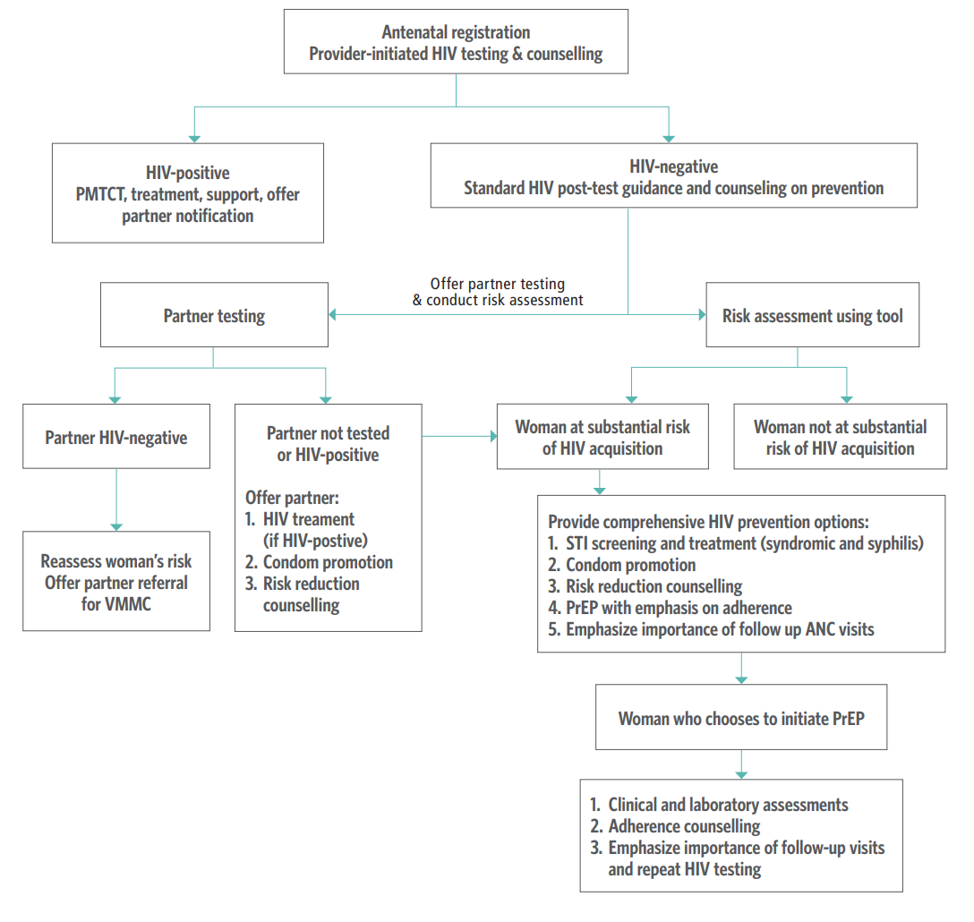

Source: PrEP technical brief (2017) (18).

Decision ID | ANC.DT.30 General risk reduction counselling
Business Rule | Depending on a variety of risk factors and/or gestational age, provide additional counselling accordingly
Trigger | ANC.B9. Conduct laboratory tests and imaging
Input | Output | Action |  |  | Annotations |  | Reference(s)
Rh factor" = "Rh negative" | Rh factor" = "Rh negative" | Provide counselling on Rh factor negative |  |  | – Woman is at risk of alloimmunization if the baby's father is Rh positive or unknown – Proceed with local protocol to investigate sensitization and the need for referral – If non-sensitized, woman should receive anti-D prophylaxis postnatally if the baby is Rh positive |  | WHO ANC recommendations (2016): C.3. Antenatal anti-D immunoglobulin administration (2)
Midstream urine culture (recommended)" = "Positive – Group B Streptococcus (GBS)" | Midstream urine culture (recommended)" = "Positive – Group B Streptococcus (GBS)" | Provide counselling on intrapartum antibiotic to prevent early neonatal Group B Streptococcus (GBS) infection |  |  | Pregnant women with GBS colonization should receive intrapartum antibiotic administration to prevent early neonatal GBS infection |  | WHO ANC recommendations (2016): C.1: Antibiotics for asymptomatic bacteriuria (ASB) (2)

ANC.DT.38 Deworming & malaria
...
Malaria prevention counselling
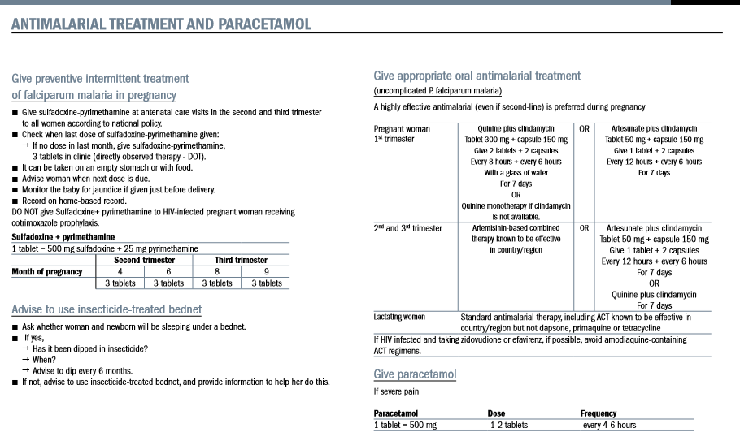

ANC.S.01 ANC contact schedule
...
Example woman "Lucy"
Contact 1: at 10 weeks | Expected: | Actual /observed scenario (1) | Actual /observed scenario (2) | Actual /observed scenario (3) | Actual /observed scenario (1) | Actual /observed scenario (1) | Actual /observed scenario (1) | Actual /observed scenario (1) | Actual (8):
Contact 2: | 18 weeks | 19 weeks | 20 weeks | 22 weeks | 25 weeks | 16 weeks | 30 weeks | 30 weeks | 37 weeks
Contact 3: | 26 weeks | 27 weeks | 26 weeks | 28 weeks | 31 weeks | 24 weeks | 34 weeks | 37 weeks | 39 weeks
Contact 4: | 30 weeks | 31 weeks | 30 weeks | 32 weeks | 35 weeks | 30 weeks | 36 weeks | 39 weeks | 40 weeks
Contact 5: | 34 weeks | 35 weeks | 34 weeks | 36 weeks | 37 weeks | 34 weeks | 38 weeks | 40 weeks | N/A
Contact 6: | 36 weeks | 37 weeks | 36 weeks | 38 weeks | 39 weeks | 36 weeks | 40 weeks | N/A | N/A
Contact 7: | 38 weeks | 39 weeks | 38 weeks | 40 weeks | 40 weeks | 38 weeks | N/A | N/A | N/A
Contact 8: | 40 weeks | 40 weeks | 40 weeks | N/A | N/A | 40 weeks | N/A | N/A | N/A
